Sheet1
Tuesday, July 8th 2025 | Shayla Ghose

Packages in R: | Collections of R functions, data, and code in a well-defined format.
Library: | The directory where packages are stored.

Installing packages: | Using packages and their extended functionalities by installing them. | How to use: Click tools, install packages, write package name in dialog, and install.
Loading packages: | Making packages available to use in your R space. | How to use: Use library function and load the package so it is available to use.
Bioconductor: | Open source software project and repository for R packages and datasets, focusing on analyzing biological data. | How to use: First install R, then download packages from Bioconductor.
Variables: | Named storage location in a computer's memory used to hold data values; can hold various data types. (is case sensitive) | How to use: No designated command to use a variable; must assign value manually. ex. x<-10
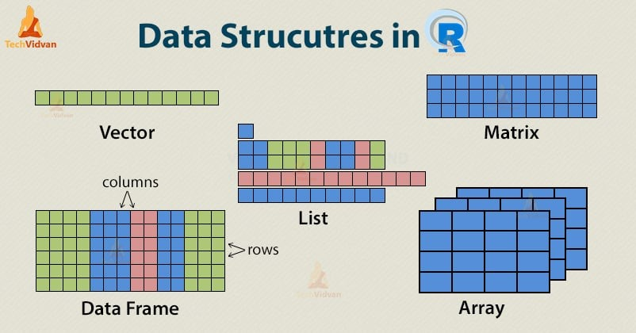
Numeric data: | Also known as quantitative data, refers to information that can be expressed as numbers.
Character data: | Text data, storing sequences of characters (string data; recognized by quotation marks "")
Categorical/factor data: | Also known as qualitatitve data, represents characteristics that can be sorted into groups.
Logical data: | Also known as the boolean data type, can only hold one of two values: true or false. Used in conditional statements and represents logical values.
Array: | Like a matrix, but can have more than two dimensions. Stores data of the same type in multiple dimensions.
Matrix: | A 2D data structure where all elements are of the same one type, consisting of rows and columns.
List: | Data structures that have one column or row or data and can store different types.
Vectors: | Structure used to store an ordered collection of items of the same data type. (most basic, simply a catalog of the items of the same type.)
Combine function: | Fundamental function used to create vectors by combining its arguments. | How to use: c()
Data frames: | An ordered collection of multiple types of data - specific type of table where columns represent variables and rows represent cases.
CSV: | Specific type of text file that stores structured data (comma-separated values).
TSV: | Store data in a table structure (tab separated values).
Saving as CSV: | Use write. csv () to export data frame to a CSV file with values separated by a comma.
Saving as TSV: | Use write. tsv () to export data frame to a TSV file with values separated by tabs.
Reading data: | Process of importing data from a directory into R, often reading it as a data frame.
Reading data in R: | Using readLines () function, reading all lines of a file and returning them as a character vector.
Arguments: | The information passed into a function.
Functions: | Blocks of code designed to perform specific tasks. They can take input values, process them, and return a result. Can be used multiple times with different arguments and same code. | How to use: Create using function (), followed by parentheses enclosing input values.
Phenotypic data: | Information regarding observable traits or characteristics of an organism.
Expression data: | In biological context, refers to measurement of gene activity, specifically the levels of RNA produced by genes.
Feature data: | Representing data features with numerical or categorical values.
Packages in R (links): | https://medium.com/@hannahzae/top-r-packages-in-bioinformatics-a7fb20ad95ea

